Sheet1
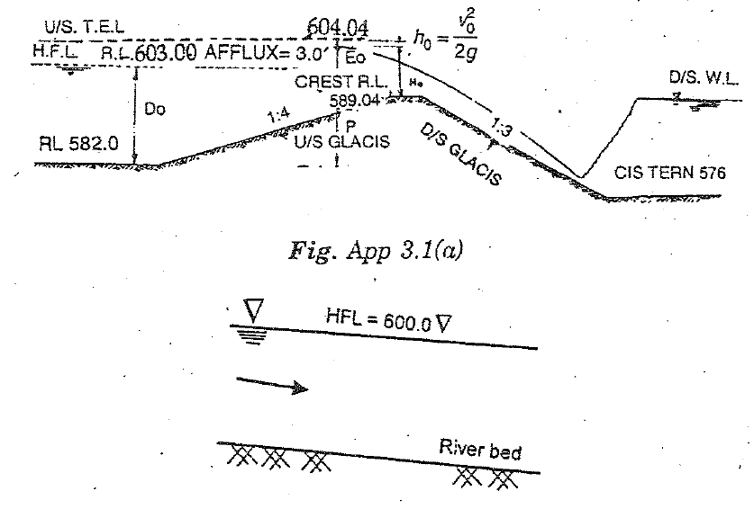
 | Design of Barrage
 | Regd no.= | 136
 | Input Design Data
 | Maximum Discharge, Q max =Regd no.*10000/3 |  |  |  |  |  | 453333.33333 | cusecs
 | Minimum Discharge, Qmin |  |  |  |  |  | 12000 | cusecs
 | River Bed Level, RBL |  |  |  |  |  | 582 | ft
 | High Flood Level, HFL |  |  |  |  |  | 600 | ft
 | Lowest water level, LWL |  |  |  |  |  | 587 | ft
 | Numbers of canals on left bank |  |  |  |  |  | 1
 | Numbers of canals on right bank |  |  |  |  |  | 2
 | Maximum Discharge of one Canal |  |  |  |  |  | 3500 | cusecs
 | Slope of river |  |  |  |  |  | 1 | ft/mile | 0.00018939393939
 |  |  |  |  |  |  | 0.00018939393939
 | Lacey's looseness coefficient(LLC) |  |  |  |  |  | 1.8

 | 1- Minimum Stable Wetted Perimeter
 | Wetted perimeter, Pw = 2.67√ Qmax |  |  |  |  |  | 1798 | ft
 | Width between abutment, Wa = LLC x Pw |  |  |  |  |  | 3236 | ft
 | Number of bays |  |  |  |  |  | 50
 | Bay width |  |  |  |  |  | 60 | ft
 | Number of fish ladder |  |  |  |  |  | 1
 | Width of one fish ladder |  |  |  |  |  | 26 | ft
 | Number of divide walls |  |  |  |  |  | 2
 | Width of one divide wall |  |  |  |  |  | 15 | ft
 | Width of one pier |  |  |  |  |  | 7 | ft
 | Total number of piers |  |  |  |  |  | 47
 | Total width of piers |  |  |  |  |  | 329 | ft
 | Total width of bays, Wclear |  |  |  |  |  | 3000 | ft
 | Total width of divide walls |  |  |  |  |  | 30 | ft
 | Total Width between abutment, Wa |  |  |  |  |  | 3385 | ft
 | Discharge between abutments, qabt |  |  |  |  |  | 133.92 | cusecs/ft
 | Discharge over crest, qcrest |  |  |  |  |  | 151.11 | cusecs/ft

 | 2- Calculation of Lacey's Silt Factor
 | S = (1/1844) x f^5/3 / Q^1/6
 | Lacey's silt factor, f |  |  |  |  |  | 1.96

 | 3- Fixation of Crest Level
 | Afflux |  |  |  |  |  | 3 | ft
 | Height of crest above river bed, P |  |  |  |  |  | 6 | ft
 | Scour depth, R = 0.9(qabt^2 / f)^1/3 |  |  |  |  |  | 18.84 | ft
 | Depth of water above crest, Ho = R- P |  |  |  |  |  | 12.84 | ft
 | Approach velocity, Vo = qabt / R |  |  |  |  |  | 7.11 | ft/s
 | Energy head, ho = Vo^2 / 2g |  |  |  |  |  | 0.79 | ft
 | Eo = Ho + ho |  |  |  |  |  | 13.62 | ft
 | Do = HFL - RBL |  |  |  |  |  | 18.00 | ft
 | E1 = Do + ho + Afflux |  |  |  |  |  | 21.79 | ft
 | Level of E1 = RBL + E1 |  |  |  |  |  | 603.79 | ft
 | Crest level = Level of E1 - Eo |  |  |  |  |  | 590.16 | ft
 | Maximum d/s water level (from curve for barrage stage discharge,normal state) |  |  |  |  |  | 600 | ft
 | Submergency of weir,h = d/s WL - Crest Level |  |  |  |  |  | 9.84 | ft
 | h / Eo |  |  |  |  |  | 0.72
 | Using Gibson Curve
 | C' / C |  |  |  |  |  | 0.85
 | Coefficient of discharge,C= |  |  |  |  |  | 3.8
 | C' = (C'/C) x C |  |  |  |  |  | 3.23

 | Q = C' x W clear x Eo^3/2 |  |  |  |  |  | 487093 | cusecs
 |  |  |  |  |  |  | O.K
 | Lacey's Looseness Coefficient, LLC=Total Wa/Pw |  |  |  |  |  | 1.88
 | 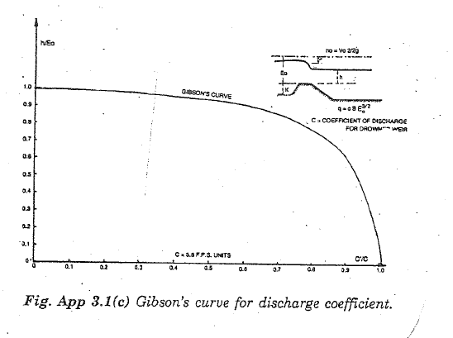
 | 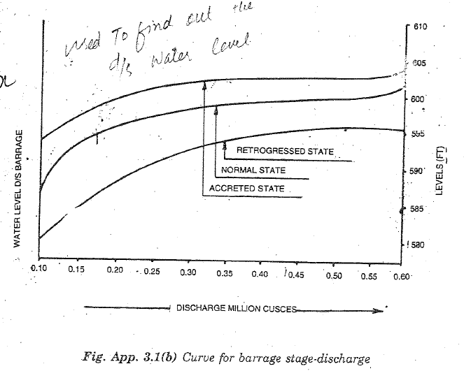
 | 4- Design of Undersluices

 | Difference of crest level between undersluices & main weir |  |  |  |  |  | 3 | ft
 | Number of undersluices (N1) |  |  |  |  |  | 2
 | Number of bays for each undersluices (N2) |  |  |  |  |  | 5
 | Flow through undesluices as % of main weir,qus= |  |  |  |  |  | 120 | %
 | Crest level of undersluices |  |  |  |  |  | 587.16 | ft
 | Wclear = N1 xN2 xBay width |  |  |  |  |  | 600 | ft
 | qus = % flow x q weir |  |  |  |  |  | 181.33333333 | cusecs/ft
 | Scour depth, R = 0.9(qus^2 / f)^1/3 |  |  |  |  |  | 23.05 | ft
 | Do, (may be Do = R) |  |  |  |  |  | 23.05 | ft
 | Approach velocity, Vo = qus / R |  |  |  |  |  | 7.87 | ft/sec
 | Energy head, ho = Vo^2 / 2g |  |  |  |  |  | 0.96 | ft
 | Maximum U/S E.L = HFL + Afflux + ho |  |  |  |  |  | 603.96 | ft
 | Eo = U/S E.L - Crest Level |  |  |  |  |  | 16.80 | ft
 | h = (U/S E.L - Afflux) - Crest level |  |  |  |  |  | 13.80 | ft
 | h / Eo |  |  |  |  |  | 0.82
 | Using Gibson Curve
 | C' / C |  |  |  |  |  | 0.79
 | C' = (C'/C) x C |  |  |  |  |  | 3.00

 | Q1 & Q3, ( Q = C' x Wclear x Eo^3/2) |  |  |  |  |  | 123988 | cusecs
 | Q main weir = C' x (Wclear(bays) - Wclear( us) )x Eo^3/2 |  |  |  |  |  | 389674 | cusecs
 | Total Discharge = Q1 + Q3 + Q main weir |  |  |  |  | O.K | 513662 | cusecs
 | %water passing through undersluices=(Q1+Q3)/Qmain weir*100 |  |  |  |  |  | 31.8 | % | 1
 | Hence
 | Crest Level of Undersluices |  |  |  |  |  | 587.16 | ft
 | Number of Bays on Each Side |  |  |  |  |  | 5

 | 5- Determination of Water Levels and Energy Levels

 | 5.1 Check for main weir
% | Q | DSWL | Afflux | USWL | Do | f | qabt | R | vo | ho | Ho | Eo | h | h/Eo | C'/C | C' | Eo3/2 | qweir | Q | %age Difference | Check | Afflux limits
 |  |  |  | DSWL+afflux | USWL-RBL |  | Q/Wa | 0.9(qabt2 /f)1/3 | q abt /R | Vo2/2g | USWL-CL | Ho+ho | DSWL-CL |  |  |  | ft3/sec/ft | C'*Eo3/2 | qweir*Wbays
 | ft3/sec | ft | ft | ft | ft |  | ft3/sec/ft | ft/sec | ft/sec | ft | ft | ft | ft |  |  |  |  | ft3/sec
FOR NORMAL STATE |  |  |  |  |  |  |  |  |  |  |  |  |  |  |  |  |  |  |  |  |  | 3-5'
120% | 544000.00 | 600 | 4 | 604 | 22 | 1.99 | 160.71 | 21.14 | 7.60 | 0.90 | 13.84 | 14.73 | 10 | 0.67 | 0.89 | 3.382 | 56.549171625 | 191.24929844 | 573747.89531 | 5.2 | O.K
100% | 453333.33 | 599.5 | 3 | 602.5 | 20.5 | 1.96 | 133.92 | 18.84 | 7.11 | 0.79 | 12.34 | 13.12 | 9 | 0.71 | 0.87 | 3.306 | 47.525174573 | 157.11822714 | 471354.68141 | 3.8 | O.K
50% | 226666.67 | 596.5 | 3 | 599.5 | 17.5 | 1.83 | 66.96 | 12.14 | 5.51 | 0.47 | 9.34 | 9.81 | 6 | 0.65 | 0.88 | 3.344 | 30.71474531 | 102.71010832 | 308130.32495 | 26.4 | O.K
25% | 113333.33 | 590.5 | 4.1 | 594.6 | 12.6 | 1.70 | 33.48 | 7.83 | 4.28 | 0.28 | 4.44 | 4.72 | 0 | 0.07 | 0.99 | 3.762 | 10.252759719 | 38.570882064 | 115712.64619 | 2.1 | O.K
FOR RETROGRESSED STATE |  |  |  |  |  |  |  |  |  |  |  |  |  |  |  |  |  |  |  |  |  | 5-7'
120% | 544000.00 | 596 | 7 | 603 | 21 | 1.99 | 160.71 | 21.14 | 7.60 | 0.90 | 12.84 | 13.73 | 6 | 0.42 | 0.97 | 3.686 | 50.890512796 | 187.58243017 | 562747.2905 | 3.3 | O.K
100% | 453333.33 | 595.5 | 7 | 602.5 | 20.5 | 1.96 | 133.92 | 18.84 | 7.11 | 0.79 | 12.34 | 13.12 | 5 | 0.41 | 0.98 | 3.724 | 47.525174573 | 176.98375011 | 530951.25033 | 14.6 | O.K
50% | 226666.67 | 591 | 7 | 598 | 16 | 1.83 | 66.96 | 12.14 | 5.51 | 0.47 | 7.84 | 8.31 | 1 | 0.10 | 1 | 3.8 | 23.945101 | 90.9913838 | 272974.1514 | 17.0 | O.K
FOR ACCRETED STATE |  |  |  |  |  |  |  |  |  |  |  |  |  |  |  |  |  |  |  |  |  | 1-3'
120% | 544000.00 | 603 | 2 | 605 | 23 | 1.99 | 160.71 | 21.14 | 7.60 | 0.90 | 14.84 | 15.73 | 13 | 0.82 | 0.77 | 2.926 | 62.403284374 | 182.59201008 | 547776.03023 | 0.7 | O.K
100% | 453333.33 | 602 | 2 | 604 | 22 | 1.96 | 133.92 | 18.84 | 7.11 | 0.79 | 13.84 | 14.62 | 12 | 0.81 | 0.78 | 2.964 | 55.90384391 | 165.69899335 | 497096.98005 | 8.8 | O.K
50% | 226666.67 | 600.5 | 1 | 601.5 | 19.5 | 1.83 | 66.96 | 12.14 | 5.51 | 0.47 | 11.34 | 11.81 | 10 | 0.88 | 0.79 | 3.002 | 40.573715076 | 121.80229266 | 365406.87797 | 38.0 | O.K

 | 5.2 Check for undersluices

 | Increase in flow= |  |  | 20 | %
 | Concentration of flow, Q= |  |  | 148785.58 | cusecs
 | Total width of under sluices,Wu= |  |  | 600 | ft
 | Crest level of undersluices= |  |  | 587.16 | ft
 | Q | DSWL | Afflux | USWL | D | Vo | ho | h | Ho | Eo | h/Eo | C'/C | C' | qclear | Q
 |  |  |  | DSWL+afflux | (USWL-RBL) | Q/Wu*D | (Vo^2/2g) | (DSWL-CL) | (USWL-CL) | (USWL+ho-CL) |  | (Gibson) |  | (C'*Eo^(3/2)) | (qclear*Wu)
 | (cusecs) | (ft) | ft | (ft) | (ft) | (ft/s) | (ft) | (ft) | (ft) | (ft) |  |  |  | (cusecs/ft) | (cusecs)
 | For normal state
 | 148786 | 593.5 | 8 | 601.5 | 19.5 | 12.7 | 2.51 | 6.34 | 14.34 | 16.85 | 0.38 | 0.960 | 3.65 | 252.24 | 151346 | O.K
 | For Retrogressed state
 | 148786 | 584.5 | 6 | 590.5 | 8.5 | 29.2 | 13.22 | -2.66 | 3.34 | 16.55 | -0.16 | N/A | 3.80 | 255.88 | 153526 | O.K
 | For accreted state
 | 148786 | 597.5 | 5 | 602.5 | 20.5 | 12.1 | 2.27 | 10.34 | 15.34 | 17.61 | 0.59 | 0.900 | 3.42 | 252.68 | 151609 | O.K

 | 6- Fixation of d/s Floor Levels and Length of d/s Glacis and d/s Floor

 | 6.1 Fixation of d/s floor levels for normal weir section using blench curves

% Q | Q | qclear | USEL | DSEL | hL | E2 | DSFL
 |  |  | (USWL+ho) | (DSWL +ho) | (USEL-DSEL) | (blench curve) | (DSEL - E2)
 | (cusecs) | (cusecs/ft) | (ft) | (ft) | (ft) | (ft) | (ft)
 | Normal state of river
120 | 544000.00 | 191.2 | 604.90 | 600.90 | 4.00 | 19.1 | 581.80
100 | 453333.33 | 157.1 | 603.29 | 600.29 | 3.00 | 16.7 | 583.59
50 | 226666.67 | 102.7 | 599.97 | 596.97 | 3.00 | 12.5 | 584.47
 | For Retrogressed state of river
120 | 544000.00 | 187.6 | 603.90 | 596.90 | 7.00 | 20.1 | 576.80
100 | 453333.33 | 177.0 | 603.29 | 596.29 | 7.00 | 19.8 | 576.49
50 | 226666.67 | 91.0 | 598.47 | 591.47 | 7.00 | 13.2 | 578.27
 | For accreted state of river
120 | 544000.00 | 182.6 | 605.90 | 603.90 | 2.00 | 17.4 | 586.50
100 | 453333.33 | 165.7 | 604.79 | 602.79 | 2.00 | 16.8 | 585.99
50 | 226666.67 | 121.8 | 601.97 | 600.97 | 1.00 | 12.8 | 588.17
 | Hence
 | d/s Floor level |  | 576 | ft

 | 6.2 Fixation of d/s floor levels for undersluices using blench curves

 | Q | qclear | USEL | DSEL | hL | E2 | DSFL
 |  |  | (USWL+ho) | (DSWL +ho) | (USEL-DSEL) | (blench curve) | (DSEL - E2)
 | (cusecs) | (cusecs/ft) | (ft) | (ft) | (ft) | (ft) | (ft)
 | Normal state of river
 | 151346 | 252.24 | 604.01 | 596.01 | 8.00 | 24.4 | 571.61
 | For Retrogressed state of river
 | 153526 | 255.88 | 603.72 | 597.72 | 6.00 | 23.4 | 574.32
 | For accreted state of river
 | 151609 | 252.68 | 604.77 | 599.77 | 5.00 | 23.1 | 576.67
 | Hence
 | d/s Floor level for undersluices |  |  | 572 | ft

 | 7- Fixation of d/s floor level for normal barrage section using
 | Crump's method and determination of floor length
a) | Q |  |  |  |  |  | 453333.33333 | cusecs
 | Maximum DSWL |  |  |  |  |  | 602.00 | ft
 | USWL |  |  |  |  |  | 604.00 | ft
 | USEL |  |  |  |  |  | 604.79 | ft
 | DSFL |  |  |  |  |  | 585.99 | ft
 | RBL |  |  |  |  |  | 582 | ft
 | Crest level |  |  |  |  |  | 590.16 | ft
 | Dpool (Max. DSWL - DSFL) |  |  |  |  |  | 16.01 | ft
 | Vd/s (Q/(Dpool x Wa) |  |  |  |  |  | 8.37 | ft/sec
 | d/s velocity head (Vd/s^2/2g) |  |  |  |  |  | 1.09 | ft
 | DSEL (DSWL + velocity head) |  |  |  |  |  | 603.09 | ft
 | K (USEL - Crest Level ) |  |  |  |  |  | 14.63 | ft
 | L (USEL - DSEL ) |  |  |  |  |  | 1.70 | ft
 | q (Q / Total width of bays) |  |  |  |  |  | 151.11 | cusecs/ft
 | Critical Depth, C, (q2 / g)1/3 |  |  |  |  |  | 8.92 | ft
 | L/C |  |  |  |  |  | 0.19
 | (K+F)/C ,(from crumps curve) |  |  |  |  |  | 2
 | F, [(K+F)/C x C - K] |  |  |  |  |  | 3.21
 | Level of intersection of jump with glacis
 | = Crest level - F |  |  |  |  |  | 586.95 | ft
 | E2, ( DSEL - Level of intersection of jump) |  |  |  |  |  | 16.13 | ft
 | Submergency of jump, (Level of intersection of jump - DSFL ) |  |  |  |  |  | 0.96 | ft
 | Slope of d/s glacis |  |  |  |  |  | 1: | 3
 | Length of glacis d/s of jump, (slope x submergency) |  |  |  |  |  | 2.89 | ft
 | Length of stilling pool, (4.5 x E2) |  |  |  |  |  | 72.59 | ft
 | Length of d/s floor, (Length of stilling pool -Length of glacis d/s of jump) |  |  |  |  |  | 69.70 | ft
 |  |  |  |  |  | Say | 70 | ft
b)
 | Q |  |  |  |  |  | 453333.33333 | cusecs
 | Minimum DSWL |  |  |  |  |  | 595.5 | ft
 | USWL |  |  |  |  |  | 602.5 | ft
 | USEL |  |  |  |  |  | 603.29 | ft
 | DSFL |  |  |  |  |  | 576.49 | ft
 | RBL |  |  |  |  |  | 582 | ft
 | Crest level |  |  |  |  |  | 590.16 | ft
 | Dpool (Min. DSWL - DSFL) |  |  |  |  |  | 19.01 | ft
 | d/s Velocity (Q/(Dpool x Wa) |  |  |  |  |  | 7.04 | ft/sec
 | d/s velocity head (V2/2g) |  |  |  |  |  | 0.77 | ft
 | DSEL, (DSWL + velocity head) |  |  |  |  |  | 596.27 | ft
 | K (USEL - Crest Level ) |  |  |  |  |  | 13.13 | ft
 | L (USEL - DSEL ) |  |  |  |  |  | 7.02 | ft
 | q (Q / Total width of bays) |  |  |  |  |  | 151.11 | cusecs/ft
 | Critical Depth, C, (q2 / g)1/3 |  |  |  |  |  | 8.92 | ft
 | L/C |  |  |  |  |  | 0.79
 | (K+F)/C ,(from crumps curve) |  |  |  |  |  | 2.8
 | F, [(K+F)/C x C - K] |  |  |  |  |  | 11.84 | ft
 | Level of intersection of jump with glacis
 | = Crest level - F |  |  |  |  |  | 578.32 | ft
 | E2, ( DSEL - Level of intersection of jump) |  |  |  |  |  | 17.95 | ft
 | Submergency of jump, (Level of intersection of jump - DSFL ) |  |  |  |  |  | 1.84 | ft
 | Slope of d/s glacis |  |  |  |  |  | 1: | 3
 | Length of glacis d/s of jump, (slope x submergency) |  |  |  |  |  | 5.51 | ft
 | Length of stilling pool, (4.5 x E2) |  |  |  |  |  | 80.77 | ft
 | Length of d/s floor, (Length of stilling pool -Length of glacis d/s of jump) |  |  |  |  |  | 75.26 | ft
 |  |  |  |  |  | Say | 76.00 | ft
 | Hence, we shall provide d/s floor = |  |  | 76.00 | ft

 | 8 - Fixation of d/s floor length for undersluices
a)
 | Q |  |  |  |  |  | 148785.5757 | cusecs
 | Maximum DSWL |  |  |  |  |  | 597.5 | ft
 | USWL |  |  |  |  |  | 602.5 | ft
 | USEL |  |  |  |  |  | 604.77 | ft
 | DSFL |  |  |  |  |  | 572.00 | ft
 | RBL |  |  |  |  |  | 582 | ft
 | Crest level |  |  |  |  |  | 587.16 | ft
 | Dpool (Max. DSWL - DSFL) |  |  |  |  |  | 25.5 | ft
 | d/s Velocity (Q/(Dpool x Wa) |  |  |  |  |  | 9.7 | ft/sec
 | d/s velocity head (V2/2g) |  |  |  |  |  | 1.47 | ft
 | DSEL (DSWL + velocity head) |  |  |  |  |  | 598.97 | ft
 | K (USEL - Crest Level ) |  |  |  |  |  | 17.61 | ft
 | L (USEL - DSEL ) |  |  |  |  |  | 5.80 | ft
 | q (Q / Total width of bays) |  |  |  |  |  | 248.0 | cusecs/ft
 | Critical Depth, C, (q2 / g)1/3 |  |  |  |  |  | 12.41 | ft
 | L/C |  |  |  |  |  | 0.47
 | (K+F)/C ,(from crumps curve) |  |  |  |  |  | 2.4
 | F=[(K+F)/C x C - K] |  |  |  |  |  | 12.17 | ft
 | Level of intersection of jump with glacis
 | = Crest level - F |  |  |  |  |  | 574.99 | ft
 | E2, ( DSEL - Level of intersection of jump) |  |  |  |  |  | 23.97 | ft
 | Submergency of jump, (Level of intersection of jump - DSFL ) |  |  |  |  |  | 2.99 | ft
 | Slope of d/s glacis |  |  |  |  |  | 1: | 3
 | Length of glacis d/s of jump, (slope x submergency) |  |  |  |  |  | 8.98 | ft
 | Length of stilling pool, (4.5 x E2) |  |  |  |  |  | 108 | ft
 | Length of d/s floor, (Length of stilling pool -Length of glacis d/s of jump) |  |  |  |  |  | 98.90 | ft
 |  |  |  |  |  | Say | 99.00 | ft
b)
 | Q |  |  |  |  |  | 148785.5757 | cusecs
 | Minimum DSWL |  |  |  |  |  | 584.5 | ft
 | USWL |  |  |  |  |  | 590.5 | ft
 | USEL |  |  |  |  |  | 603.72 | ft
 | DSFL |  |  |  |  |  | 572.00 | ft
 | RBL |  |  |  |  |  | 582 | ft
 | Crest level |  |  |  |  |  | 587.16 | ft
 | Dpool (Min. DSWL - DSFL) |  |  |  |  |  | 12.5 | ft
 | d/s Velocity (Q/(Dpool x Wa) |  |  |  |  |  | 19.84 | ft/sec
 | d/s velocity head (V2/2g) |  |  |  |  |  | 6.11 | ft
 | DSEL (DSWL + velocity head) |  |  |  |  |  | 590.61 | ft
 | K (USEL - Crest Level ) |  |  |  |  |  | 16.56 | ft
 | L (USEL - DSEL ) |  |  |  |  |  | 13.11 | ft
 | q (Q / Total width of bays) |  |  |  |  |  | 248.0 | cusecs/ft
 | Critical Depth, C, (q2 / g)1/3 |  |  |  |  |  | 12.41 | ft
 | L/C |  |  |  |  |  | 1.06
 | (K+F)/C ,(from crumps curve) |  |  |  |  |  | 3.2
 | F=[(K+F)/C x C - K] |  |  |  |  |  | 23.15 | ft
 | Level of intersection of jump with glacis
 | = Crest level - F |  |  |  |  |  | 564.02 | ft
 | E2, ( DSEL - Level of intersection of jump) |  |  |  |  |  | 26.59 | ft
 | Submergency of jump, (Level of intersection of jump - DSFL ) |  |  |  |  |  | -7.98 | ft
 | Slope of d/s glacis |  |  |  |  |  | 1: | 3
 | Length of glacis d/s of jump, (slope x submergency) |  |  |  |  |  | -23.94 | ft
 | Length of stilling pool, (4.5 x E2) |  |  |  |  |  | 120 | ft
 | Length of d/s floor, (Length of stilling pool -Length of glacis d/s of jump) |  |  |  |  |  | 143.61 | ft
 |  |  |  |  |  | Say | 144 | ft

 | Hence we shall provide d/s floor length = |  |  |  |  |  | 144 | ft
L=HL
K
y
F x
Various Parameters for using Crump's Curve
 | 9- Check for Adequacy for d/s floor levels using conjugate depth method.

 | 9.1 For normal weir section

 | Ф |  |  |  |  |  | 1.00
 | Floor level of stilling pool, DSFL |  |  |  |  |  | 576.49 | ft

 | Discharge in river, Q (cusecs) |  |  |  |  |  | 453333.33333 |  | 226666.66667
 | Discharge through main weir, Q1= 0.8Q (cusecs) |  |  |  |  |  | 362666.66667 |  | 181333.33333
 |  |  |  |  |  |  | max. | min. | max. | min.
 | USEL (ft) |  |  |  |  |  | 604.79 | 603.29 | 601.97 | 598.47
 | DSWL (ft) |  |  |  |  |  | 602.00 | 595.5 | 600.5 | 591
 | E = USEL - DSFL |  |  |  |  |  | 28.30 | 26.80 | 25.49 | 21.99
 | Intensity of flow on d/s floor, q = Q1/width of main weir |  |  |  |  |  | 151.11 | 151.11 | 75.56 | 75.56
 | Depth in stilling pool, Dpool = DSWL - DSFL |  |  |  |  |  | 25.51 | 19.01 | 24.01 | 14.51
 | f(z) = q/E3/2 |  |  |  |  |  | 1.0035 | 1.0889 | 0.5872 | 0.7328
 | Conjugate depth coefficients |  |  | z |  |  | 1.1340 | 0.1470 | 0.0761 | 0.0960
 |  |  |  | z' |  |  | 0.6181 | 0.6385 | 0.4936 | 0.5432
 | Conjugate depths |  |  | d1 = z x E |  |  | 32.10 | 3.94 | 1.94 | 2.11
 |  |  |  | d2 = z' x E |  |  | 17.50 | 17.11 | 12.58 | 11.94
 | Jump submergency = Dpool - d2 |  |  |  |  |  | 8.02 | 1.90 | 11.43 | 2.57
 | Remarks |  |  |  |  |  | O.K | O.K | O.K | O.K
 | Hence, jump is submerged in all cases
 | 9.2 For undersluices section

 | Ф |  |  |  |  |  |  | 1.00
 | Floor level of stilling pool, DSFL |  |  |  |  |  |  | 572.00 | ft

 | Discharge in river, Q (cusecs) |  |  |  |  |  |  | 453333.33333
 | Discharge through U.S with 20% concentration, (1.2 x (Q1 + Q2)) |  |  |  |  |  |  | 148786
 |  |  |  |  |  |  |  | Max. | Min.
 | USEL (ft) |  |  |  |  |  |  | 604.77 | 603.72
 | DSWL (ft) |  |  |  |  |  |  | 597.50 | 584.50
 | E = USEL - DSFL (ft) |  |  |  |  |  |  | 32.77 | 31.72
 | Intensity of flow on d/s floor, q = Q1/Total width of all U/S |  |  |  |  |  |  | 124 | 124
 | Depth in stilling pool, Dpool = DSWL - DSFL |  |  |  |  |  |  | 25.50 | 12.50
 | f(z) = q/E3/2 |  |  |  |  |  |  | 0.66 | 0.69
 | Conjugate depth coefficients |  |  | z |  |  |  | 0.0860 | 0.0901
 |  |  |  | z' |  |  |  | 0.5194 | 0.5294
 | Conjugate depths |  |  | d1 = z x E |  |  |  | 2.82 | 2.86
 |  |  |  | d2 = z' x E |  |  |  | 17.02 | 16.79
 | Jump submergency = Dpool - d2 (ft) |  |  |  |  |  |  | 8.48 | -4.29
 | Remarks |  |  |  |  |  |  | O.K | O.K

 | 10 - Scour Protection
 | For main weir
 | Assume flow concentration |  |  |  |  |  | 20 | %
 | q = Qmax /(total width of bays) x 1.2 |  |  |  |  |  | 181.33 | cusecs/ft
 | R = 0.9 (q2/f)1/3 |  |  |  |  |  | 23.05 | ft

 | 10.1 - d/s scour protection for main weir

 | Safety factor for d/s floor critical condition |  |  |  |  |  | 1.75
 | Depth, R' = safety factor x R |  |  |  |  |  | 40.34 | ft
 | Minimum DSWL for Qmax |  |  |  |  |  | 595.5 | ft
 | d/s appron (floor) level, (DSFL) |  |  |  |  |  | 576.49 | ft
 | Depth of water on apron (Min DSWL - DSFL) |  |  |  |  |  | 19.01 | ft
 | Increase in depth due to concentration |  |  |  |  |  | 0.50 | ft
 | Depth of water with concentration, D' |  |  |  |  |  | 19.51 | ft
 | Depth of scour below apron = R' - D' |  |  |  |  |  | 20.83 | ft
 | Slope of protection |  |  |  |  |  | 1: | 3
 | Length of apron to cover surface of scour = Sqrt (12+32)x(R'-D') |  |  |  |  |  | 65.86 | ft
 | Length of d/s stone apron in horizontal position
 |  | = length of apron x (1.25t/1.75t) |  |  |  |  | 48 | ft

MIN. W.L=
 |  |  |  |  |  |  | 595.5

D
2.5(R'-D')=
Bed Level
DSFL=
 |  |  |  | 52.07
 |  |  | 10.41 |  |  |  | 576.49
R'=
1:3
 |  | 40.34

t
Deepest Possible Scour

3(R'-D')=
 |  |  |  | 62.48
Scour Protection

 | 10.2 U/s Scour Protection for main weir

 | Safety factor for u/s floor critical condition |  |  |  |  |  | 1.25
 | R' = Safety factor x R |  |  |  |  |  | 28.82 | ft
 | Minimum USWL for Qmax |  |  |  |  |  | 602.50 | ft
 | U/s apron level, (RBL) |  |  |  |  |  | 582 | ft
 | Depth of water on apron = USWL -RBL |  |  |  |  |  | 20.50 | ft
 | Increase in depth due to concentration |  |  |  |  |  | 0.50 | ft
 | Total depth with concentration, D' |  |  |  |  |  | 21.00 | ft
 | Depth of scour below apron = R' - D' |  |  |  |  |  | 7.82 | ft
 | Slope of protection |  |  |  |  |  | 1: | 3
 | Length of apron to cover surface of scour = Sqrt (12+32)x(R'-D') |  |  |  |  |  | 24.72 | ft
 | Length of u/s stone apron in horizontal position
 |  | = length of apron x (1.25t/1.75t) |  |  |  |  | 18 | ft

 | For undersluices

 | Assume flow concentration |  |  |  |  |  | 20 | %
 | q = (Q1+Q3)/Total width of undersluicesx 1.2 |  |  |  |  |  | 248 | cusecs/ft
 | R = 0.9 (q2/f)1/3 |  |  |  |  |  | 28.40 | ft

 | 10.3 - d/s scour protection for undersluices

 | Safety factor for d/s floor critical condition |  |  |  |  |  | 1.75
 | Depth, R' = safety factor x R |  |  |  |  |  | 49.70 | ft
 | Minimum DSWL for Q1 + Q3 |  |  |  |  |  | 584.5 | ft
 | d/s appron (floor) level, (DSFL) |  |  |  |  |  | 572.00 | ft
 | Depth of water on apron (Min DSWL - DSFL) |  |  |  |  |  | 12.50 | ft
 | Increase in depth due to concentration |  |  |  |  |  | 0.5 | ft
 | Depth of water with concentration, D' |  |  |  |  |  | 13.00 | ft
 | Depth of scour below apron = R' - D' |  |  |  |  |  | 36.70 | ft
 | Slope of protection |  |  |  |  |  | 1: | 3
 | Length of apron to cover surface of scour = Sqrt (12+32)x(R'-D') |  |  |  |  |  | 116.06 | ft
 | Length of d/s stone apron in horizontal position
 |  | = length of apron x (1.25t/1.75t) |  |  |  |  | 83 | ft

 | 10.4 U/s Scour Protection for undersluices

 | Safety factor for u/s floor critical condition |  |  |  |  |  | 1.25
 | R' = Safety factor x R |  |  |  |  |  | 35.50 | ft
 | Minimum USWL for Q1 + Q3 |  |  |  |  |  | 590.5 | ft
 | U/s apron level, (RBL) |  |  |  |  |  | 582 | ft
 | Depth of water on apron = USWL -RBL |  |  |  |  |  | 8.5 | ft
 | Increase in depth due to concentration |  |  |  |  |  | 0.5 | ft
 | Total depth with concentration, D' |  |  |  |  |  | 9 | ft
 | Depth of scour below apron = R' - D' |  |  |  |  |  | 26.50 | ft
 | Slope of protection |  |  |  |  |  | 1: | 3
 | Length of apron to cover surface of scour = Sqrt (12+32)x(R'-D') |  |  |  |  |  | 83.81 | ft
 | Length of u/s stone apron in horizontal position
 |  | = length of apron x (1.25t/1.75t) |  |  |  |  | 60 | ft

 | 10.5 - Thickness of Aprons

 | The following table gives the required values of "t" for protection of various grades of sand and slope of rivers
 | of various grades of sand and slope of rivers.

 | Fall in inches/mile |  | 3 | 9 | 12 | 18 | 24
 | Sand classification |  | Thickness of stone pitching in inches
 | Very coarse |  | 16 | 19 | 22 | 25 | 28
 | Coarse |  | 22 | 25 | 28 | 31 | 34
 | Medium |  | 28 | 31 | 34 | 37 | 40
 | Fine |  | 34 | 37 | 40 | 43 | 46
 | Very fine |  | 40 | 43 | 45 | 49 | 52

 | Type of soil |  |  |  |  |  | Medium sand
 | Slope of river |  |  |  |  |  | 12 | in/mile
 | Thickness of stone pitching, t |  |  |  |  |  | 34 | in
 | Thickness of stone apron in horizontal position = 1.75xt/slope |  |  |  |  |  | 5 | ft
 | Size of concrete blocks over filter |  |  |  |  |  | 4 | ft cube
 | Summary
 |  | Total Length of d/s stone apron |  |  |  |  | 48 | ft
 | 4 | ft Thick bloke apron = 1/3 x total length |  |  |  |  | 16 | ft (block= 4'x4'x4')
 | 5 | ft Thick stone apron |  |  |  |  | 32 | ft

 |  | Total length of u/s apron |  |  |  |  | 18 | ft
 | 4 | ft Thick bloke apron = 1/3 x total length |  |  |  |  | 6 | ft (block= 4'x4'x4')
 | 5 | ft Thick stone apron |  |  |  |  | 12 | ft

 | 11 - Inverted Filter Design

 | Size of Concrete blocks |  |  |  |  |  | 4 | ft cube
 | Thickness of shingle (3' - 6") |  |  |  |  |  | 9 | in
 | Thickness of coarse shingle (3/4" - 3") |  |  |  |  |  | 9 | in
 | Thickness of fine shingle (3/16" - 3/4") |  |  |  |  |  | 6 | in
 | Spacing b/w conc. Blocks filled with fine shingle |  |  |  |  |  | 2 | in

Spacing /Jhries (2")
Concrete Blocks
(4'x4'x4')
9" Gravel
9" Coarse sand
6" Sand

Inverted Filter

 | 12- Design of guide banks

i) | Length of each guide bank measured in straight line along
 | the barrage u/s , Lu/s = 1.5 x Wa |  |  |  |  |  | 5078 | ft
ii) | Length of each guide bank d/s of barrage, Ld/s = 0.2 x Wa |  |  |  |  |  | 677 | ft
iii) | For the nose of the u/s guide bank and the full length of d/s
 | guide bank use Lacey's depth = 1.75 x R |  |  |  |  |  | 40.34 | ft
 | For remaining u/s guide bank lacey's depth = 1.25 x R |  |  |  |  |  | 28.82 | ft
iv) | Possible slope of scour |  |  |  |  |  | 1: | 3
v) | Free board u/s |  |  |  |  |  | 7 | ft above HFL
 | Free board d/s |  |  |  |  |  | 6 | ft above HFL
 | These free boards also include allowance for accretion.
vi) | Top of guide bank |  |  |  |  |  | 40 | ft
vii) | Side slope of guide bank |  |  |  |  |  | 1: | 2
viii) | Minimum apron thickness |  |  |  |  |  | 4 | ft

 | Length of barrage, Wa |  |  |  |  |  | 3385 | ft
 | Length of u/s guide bank |  |  |  |  |  | 5078 | ft
 | Length of d/s guide bank |  |  |  |  |  | 677 | ft
 | Radius of u/s curved part |  |  |  |  |  | 600 | ft
 | Radius of d/s curved part |  |  |  |  |  | 400 | ft
 | Maximum u/s angle protected |  |  |  |  |  | 140o
 | Maximum d/s angle protected |  |  |  |  |  | 57o - 80o

 | 12.1 Determination of levels of guide banks
 | Merrimen's backwater formula

 | L = length of back water curve

d₁=
d₂=
D=
L=
Merrimen's Backwater Formula

 |  | 22.0 |  | 21.8 |  |  | 20
S

 |  |  | 4817

 | Chezy's Coefficient, C |  |  |  |  |  | 71 | ( max for earthen channels)
 | Bed slope of river, S |  |  |  |  |  | 1/ | 5000
 | RBL |  |  |  |  |  | 582 | ft
 | D/s HFL with accretion |  |  |  |  |  | 602 | ft
 | D = D/s HFL with accretion - RBL |  |  |  |  |  | 20 | ft
 | U/s HFL with accretion |  |  |  |  |  | 604.0 | ft
 | d1 = U/s HFL with accretion - RBL |  |  |  |  |  | 22.0 | ft
 | Assume d2 (in between d1 and D) |  |  |  |  |  | 21.8 | ft
 | d1/D |  |  |  |  |  | 1.100
 | d2/D |  |  |  |  |  | 1.090
 | Ф (d1/D) (from Bresse back water function table) |  |  |  |  |  | 0.6806
 | Ф (d2/D) |  |  |  |  |  | 0.72
 | Length of backwater curve, L |  |  |  |  |  | 4817 | ft
 | Length of u/s guide bank |  |  |  |  |  | 5078
 | Length of backwater curve, L and length of u/s guide bank is almost equal, hence ok

 | Rise in RBL = Length of guide bank / slope |  |  |  |  |  | 1.02 | from barrage level
 | Water level along h/w axis at 5078 ft u/s of barrage
 |  | = RBL + Rise in RBL + d2 |  |  |  |  | 604.82 | ft

i) | Level at the nose of u/s guide bank = W/L + free board |  |  |  |  |  | 611.82 | ft
ii) | Level at the barrage = HFL + free board |  |  |  |  |  | 607 | ft
iii) | Water level d/s of barrage |  |  |  |  |  | 602.0 | ft
 | D/s free board |  |  |  |  |  | 6 | ft
 | Level of guide bank d/s = W/L + Free board |  |  |  |  |  | 608.0 | ft
 |  | 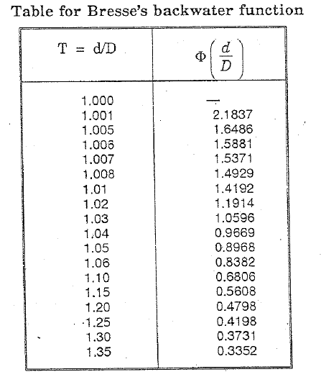
 | 13 - Design of Guide Bank Apron

W.L

D
2.5 (R' - D')=
 |  |  |  | 19.54
T=1.07t=
T
 | 3.2
1 :3
R

Deepest Possible Scour
t

 | Working on same lines as in section 10,

 | Length of unlanched horizontal apron = 2.5(R' - D') |  |  |  |  |  | 19.54 | ft
 | Length of launched apron at 1:3 slope = 3.16(R' - D') |  |  |  |  |  | 24.70 | ft
 | Thickness of stone apron, t (as calculated previously) |  |  |  |  |  | 34 | inches
 |  |  |  |  |  | say | 3 | ft
 | Volume of stones in apron = t x length launched apron |  |  |  |  |  | 74.09 | ft3/unit width
 | Minimum thickness of unlaunched apron = 1.07t |  |  |  |  |  | 3.2 | ft
 | Mean thickness of unlaunched apron = volume/ 2.5(R' - D') |  |  |  |  |  | 3.8 | ft
 | Maximum thickness of unlaunched apron = 2tmean - tmin |  |  |  |  |  | 5.0 | ft

 | 14 - Design of Marginal Bunds

i) | Top width with no dowel |  |  |  |  |  | 20 | ft
ii) | Top level above estimated HFL after allowing 1.5ft accretion |  |  |  |  |  | 5 | ft
iii) | Front slope of marginal bunds (not pitched) |  |  |  |  |  | 1: | 3
iv) | Back slope to be such as to provide minimum cover of 2 ft,
 | over hydraulic gradient of 1:6
v) | U/s water level at nose of guide bank |  |  |  |  |  | 611.82 | ft
 | Free board of marginal bund |  |  |  |  |  | 5 | ft
 | Hence level of marginal bund |  |  |  |  |  | 616.82 | ft

 | Calculation of length of backwater curve:

 | Merrimen's equation can be used to calculate backwater length

d₁
d₂
D
L
Bresse Backwater Function

 | Maximum USWL at Qmax |  |  |  |  |  | 604.0 | ft
 | RBL |  |  |  |  |  | 582 | ft
 | Normal W.L without weir |  |  |  |  |  | 600 | ft
 | d1 = Maximum USWL - RBL |  |  |  |  |  | 22.0 | ft
 | D = Normal W.L - RBL |  |  |  |  |  | 18 | ft
 | Slope |  |  |  |  |  | 1: | 5000
 | Table for length of backwater curve
 | D | d1 | d2 |  |  |  |  |  |  |  | (5)x(10) | L
 |  |  |  |  |  |  |  |  |  |  | x(1) | =(11)+(4)
 | 1 | 2 | 3 | 4 | 5 | 6 | 7 | 8 | 9 | 10 | 11 | 12
 | 18 | 22.0 | 21.5 | 2500 | 4843.4 | 1.222 | 1.194 | 0.4553 | 0.4799 | 0.0246 | 2145 | 4645
 | 18 | 21.5 | 21.0 | 2500 | 4843.4 | 1.194 | 1.167 | 0.4799 | 0.5345 | 0.0546 | 4760 | 7260
 | 18 | 21.0 | 20.5 | 2500 | 4843.4 | 1.167 | 1.139 | 0.5345 | 0.6253 | 0.0908 | 7916 | 10416
 | 18 | 20.5 | 20.0 | 2500 | 4843.4 | 1.139 | 1.111 | 0.6253 | 0.6453 | 0.02 | 1744 | 4244
 | 18 | 20.0 | 19.5 | 2500 | 4843.4 | 1.111 | 1.083 | 0.6453 | 0.7956 | 0.1503 | 13103 | 15603
 | 18 | 19.5 | 19.0 | 2500 | 4843.4 | 1.083 | 1.056 | 0.7956 | 0.8564 | 0.0608 | 5301 | 7801
 | 18 | 19.0 | 18.5 | 2500 | 4843.4 | 1.056 | 1.028 | 0.8564 | 1.155 | 0.2986 | 26033 | 28533
 | 18 | 18.5 | 18.1 | 2000 | 4843.4 | 1.028 | 1.006 | 1.155 | 1.5881 | 0.4331 | 37759 | 39759
 | to get d2=18,d2/D=1, we stop at d2=18.1' |  |  |  |  |  |  |  |  |  | Total | 118260 | ft
 | Hence length of backwater cure = 22.4 miles |  |  |  |  |  |  |  |  |  |  | 22.40 | miles

 | Part II
 | Design of barrage profile for sub surface flow condition

 | 15 - Fixing of Depth of Sheet Piles

 | Scour depth, R |  |  |  |  |  | 18.84 | ft
 | Depth of u/s sheet pile from HFL = 1.5 R |  |  |  |  |  | 29 | ft
 | Max. USWL for Qmax |  |  |  |  |  | 604.0 | ft
 | RL of bottom of u/s sheet pile = Max. USWL - 1.5R |  |  |  |  |  | 575.0 | ft
 | Depth of d/s sheet pile below HFL = 2R |  |  |  |  |  | 38 | ft
 | RL of bottom of intermediate sheet pile = Max. USWL - 2R |  |  |  |  |  | 566.0 | ft
 | Taking RL of bottom of d/s sheet pile |  |  |  |  |  | 550 | ft

 |  | 604.0 | ft

 |  |  |  | 590.16 | ft
 | 582.0 | 1: | 4
 |  | A | K |  | 1: | 3
 |  |  |  |  |  |  | 576.49
 |  | B |  |  |  | L N |  | P R
 |  |  | 575.0 |  |  |  | 76.00
 |  |  |  |  |  | M
 |  |  |  |  |  | 566.0 |  | Q
 | b1=1.5H = | 47.27 | 32.66 | 6 | 41.04 |  |  | 550.0

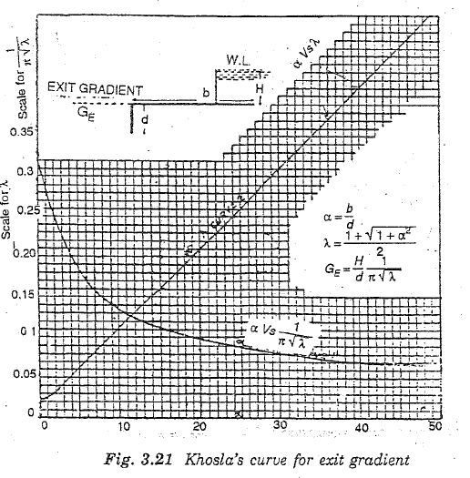
 | 16 - Calculation of Exit Gradient

b
d
b₁
H
E
D
C
α = b/d
Parmeters of Khosla's Curve

 | Let the water be headed up to Max. accreted level u/s with no flow d/s. |  |  |  |  |  | 604.0 | ft
 | Assume Retogression |  |  |  |  |  | 4 | ft
 | DSFL |  |  |  |  |  | 576.5 | ft |  |  |  | 550
 | Differential head causing seepeage, H = Max. u/s WL - (DSFL - Retrogression) |  |  |  |  |  | 31.5 | ft
 | Depth of d/s sheet pile, d = DSFL - RL of bottom of d/s sheet pile |  |  |  |  |  | 26.5 | ft
 | Total length of concrete floor = b |  |  |  |  |  | 202.97 | ft |  |  |  | 47.272470848
 | α = b/d |  |  |  |  |  | 7.66
 | form | α ~ | curve |  |  |  | 0.15

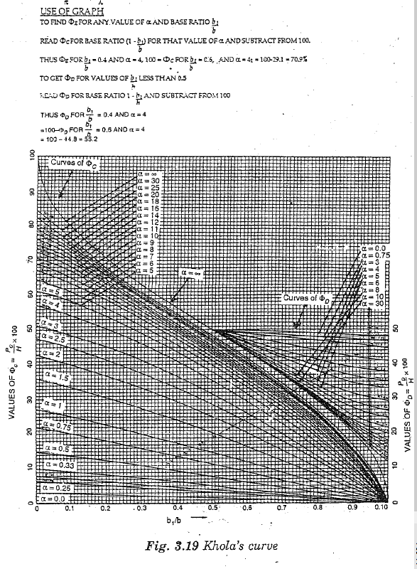
 | GE |  |  |  |  |  | 0.178 | SAFE
 | IF(1/7<Ge<1/5,"SAFE","UNSAFE")

 | 17 - Calculation of Uplift Pressure After Applying Correction

 | 17.1 U/s pile line:

 | Length of concrete floor upto u/s sheet pile, b1 |  |  |  |  |  | 47.27 | ft
 | Total length of concrete floor, b |  |  |  |  |  | 202.97 | ft
 | Depth of u/s sheet pile,d=RBL-RL of bottom of u/s pile |  |  |  |  |  | 7.0 | ft
 | Assume tf=u/s floor thickness |  |  |  |  |  | 2.5 | ft
 | 1/α = d/b |  |  |  |  |  | 0.0345
 | α = b/d |  |  |  |  |  | 29.00
 | b1/b |  |  |  |  |  | 0.233
 | 1 - b1/b |  |  |  |  |  | 0.767
 | = | From khosla's curve |  |  | 100 - | 30 | 70 | %
 | = | From khosla's curve |  |  | 100 - | 31 | 69 | %
 | = | From khosla's curve |  |  |  |  | 65 | %

i) | Correction for floor thickness

 | Correction in |  |  |  |  |  | 1.786 | %

 | Correction in |  |  |  |  | -ve | -0.35714285714 | %

ii) | Correction for interface of sheet pile

 | Correction in |  | due to second pile =

 | Depth of u/s sheet pile,d |  |  |  |  |  | 7.0 | ft
 | D = RBL - RL of bottom of second pile |  |  |  |  |  | 16.0 | ft
 | Total length of concrete floor, b |  |  |  |  |  | 202.97 | ft
 | Distance between two piles, b' |  |  |  |  |  | 79.70 | ft
 | Correction in |  |  |  |  | +ve | 0.96 | %

iii) | Slope correction for

 | Correction for
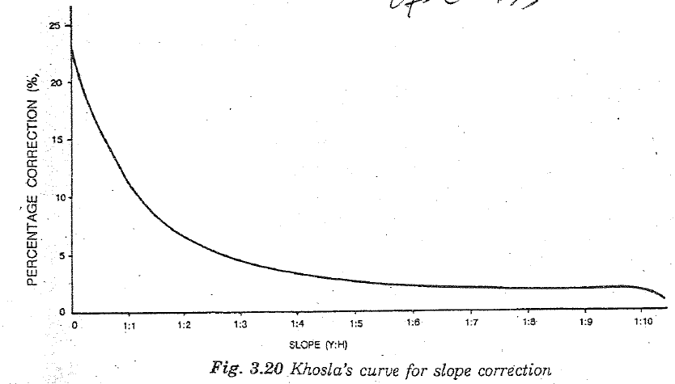
 | For 1:4 slope, Fs (from slope correction curve) |  |  |  |  |  | 3.3
 | Distance between two piles, b1 |  |  |  |  |  | 79.70 | ft
 | Horizontal projection of u/s glacis, bs = (crest level - RBL) x 1/slope |  |  |  |  |  | 32.66 | ft
 | Correction for |  |  |  |  |  | -1.35
 | Hence
 | Correted |  |  |  |  |  | 68.64 | %
 | Corrected |  |  |  |  |  | 70 | %
 | Corrected |  |  |  |  |  | 66.40 | %

 | 17.2 Intermediate sheet pile at toe of d/s glacis:

 | Assume floor thickness |  |  |  |  |  | 10 | ft
 | DSFL |  |  |  |  |  | 575.00 | ft
 | RL of intermediate sheet pile |  |  |  |  |  | 563.50 | ft
 | d = DSFL - RL of Intermediate sheet pile |  |  |  |  |  | 11.50 | ft
 | Total length of concrete floor, b |  |  |  |  |  | 194.80 | ft
 | Length of concrete floor up to sheet pile, b1 |  |  |  |  |  | 123.80 | ft
 | b1/b |  |  |  |  |  | 0.636
 | 1 - b1/b |  |  |  |  |  | 0.364
 | α = b/d |  |  |  |  |  | 16.94
 |  | From khosla's curve |  |  | 100 - | 56 | 44 | %
 |  | From khosla's curve |  |  |  |  | 42.5 | %
 |  | From khosla's curve |  |  |  |  | 38.5 | %

i) | Correction due to floor thickness

 | Correction in |  |  |  |  |  | -1.3043478261 | %

 | Correction in |  |  |  |  |  | 3.48 | %

ii) | Correction due to interference of pile

 | Correction in due to u/s sheet pile

 | Depth of Intermediate sheet pile,d |  |  |  |  |  | 10.5 | ft
 | D = RBL - RL of bottom of u/s sheet pile |  |  |  |  |  | 16.00 | ft
 | Total length of concrete floor, b |  |  |  |  |  | 194.80 | ft
 | Distance between two piles, b' |  |  |  |  |  | 79.70 | ft

 | Correction in = |  |  |  |  |  | -1.16 | %

 | Correction in due to d/s sheet pile =
 | Depth of Intermediate sheet pile,d |  |  |  |  |  | 10.49 | ft
 | D = DSFL - RL of bottom of d/s sheet pile |  |  |  |  |  | 26.49 | ft
 | Total length of concrete floor, b |  |  |  |  |  | 194.80 | ft
 | Distance between two piles, b' |  |  |  |  |  | 76.00 | ft

 | Correction in = |  |  |  |  |  | 2.13 | %

iii) | Slope correction for

 | for '1:3 slope, Fs |  |  |  |  |  | 4.5
 | bs = (crest level - DSFL) x 1/slope |  |  |  |  |  | 41.04 | ft
 | Distance between two piles, b1 |  |  |  |  |  | 79.70 | ft

 | Correction in |  |  |  |  |  | 2.32 | %

 | Hence
 | Corrected |  |  |  |  |  | 43.86 | %
 | Corrected |  |  |  |  |  | 42.5 | %
 | Corrected |  |  |  |  |  | 44.11 | %

 | 17.3 D/s sheet pile at the end of impervious floor

 | Assume floor thickness |  |  |  |  |  | 7 | ft
 | Depth of d/s sheet pile, d |  |  |  |  |  | 26.49 | ft
 | Total length of concrete floor, b |  |  |  |  |  | 194.80 | ft
 | 1/α = d/b |  |  |  |  |  | 0.136
 |  | From khosla's curve |  |  | 100 - | 68 | 32 | %
 |  | From khosla's curve |  |  | 100 - | 78 | 22 | %
 |  | From khosla's curve |  |  |  |  | 0 | %

i) | Correction due to floor thickness

 | Correction in |  |  |  |  |  | -2.64 | %
 | Correction in |  |  |  |  |  | 5.81 | %

ii) | Correction due to interface of piles

 | Correction in
 | Depth of d/s sheet pile,d |  |  |  |  |  | 26.49 | ft
 | D = DSFL - RL of bottom of intermediate sheet pile |  |  |  |  |  | 10.49 | ft
 | Total length of concrete floor, b |  |  |  |  |  | 194.80 | ft
 | Distance between two piles, b' |  |  |  |  |  | 76.00 | ft

 | Correction in = |  |  |  |  |  | -1.34 | %

 | Hence
 | Corrected |  |  |  |  |  | 28.02 | %
 | Corrected |  |  |  |  |  | 22 | %
 | Corrected |  |  |  |  |  | 5.81 | %

 | Table: Uplift pressure at E, D, C and along the sheet piles

 | Symbol used in |  | u/s Pile |  | Intermediate |  | d/s Pile
 | Khosla cueve |  | line |  | Line |  | Line
 |  |  | = | 68.64% | = | 43.86% | = | 28.02%
 |  |  | = | 70% | = | 42.5% | = | 22%
 |  |  | = | 66.4% | = | 44.11% | = | 5.81%

 | 18 - Calculation For Floor Thickness:

 | where
 | tf = Thickness of floor in ft
 | = % Uplift pressure
 | H = Maximum differential head causing seepage
 | G = Specific gravity of concrete |  |  |  |  |  | 2.4

a) | Thickness of floor at A

 | Assumend thickness |  |  |  |  |  | 2.5 | ft
 | H |  |  |  |  |  | 27.51 | ft
 | Thickness from uplift pressure |  |  |  |  |  | 13.49 | ft
 |  |  |  |  |  | say | 14.00 | ft
b) | Thickness of floor at L
 | Assumend thickness |  |  |  |  |  | 10 | ft
 | Thickness from uplift pressure |  |  |  |  |  | 8.62 | ft
 |  |  |  |  |  | say | 9.00 | ft
c) | Thickness of floor at N
 | Assumend thickness |  |  |  |  |  | 10 | ft
 | Thickness from uplift pressure |  |  |  |  |  | 8.67 | ft
 |  |  |  |  |  | say | 9.00 | ft
d) | Thickness of floor at P
 | Assumend thickness |  |  |  |  |  | 7 | ft
 | Thickness from uplift pressure |  |  |  |  |  | 5.51 | ft
 |  |  |  |  |  | say | 6.00 | ft
e) | Thickness of floor at crest
K
L
Pressure at crest
x
y

 | Uplift pressure at crest |  |  |  |  |  | 55.46 | %
 | Hence
 | Thickness of floor at crest d/s of gate |  |  |  |  |  | 10.90 | ft
 |  |  |  |  |  | say | 11 | ft

